Sheet1


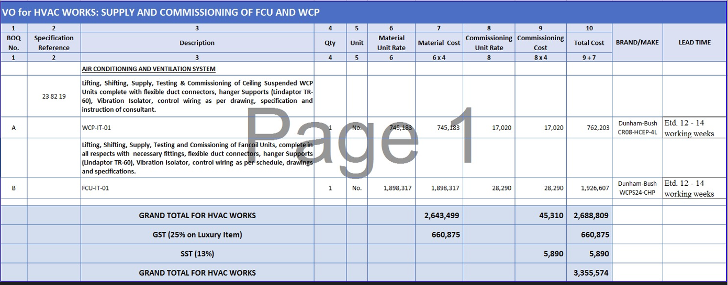
PES/GSK/001/5/24 |  |  |  |  |  |  |  | 2024-05-23

M/S My Interior

Mr. Shahzaib Mazhar

Variation order for Fan Coil & Water Cooled Package Unit - GSK Office DMC Karachi

S. # | Description | Unit | Qty | Material Rate | Labour Rate | Over Head profit 25% | Tax 7.5% | Total Amount
1 | Supply, Installation & Commissioning of Ducted type Fan Coil Units, Make: Dunham-Bush | No | 1 | 2,917,891 | 30,000 | 736,973 | 276,365 | 3,961,229
2 | Supply, Installation & Commissioning of Ceiling Suspended WCP Make: Dunham-Bush | No | 1
Total Amount Rs. |  |  |  |  |  |  |  | 3,961,229

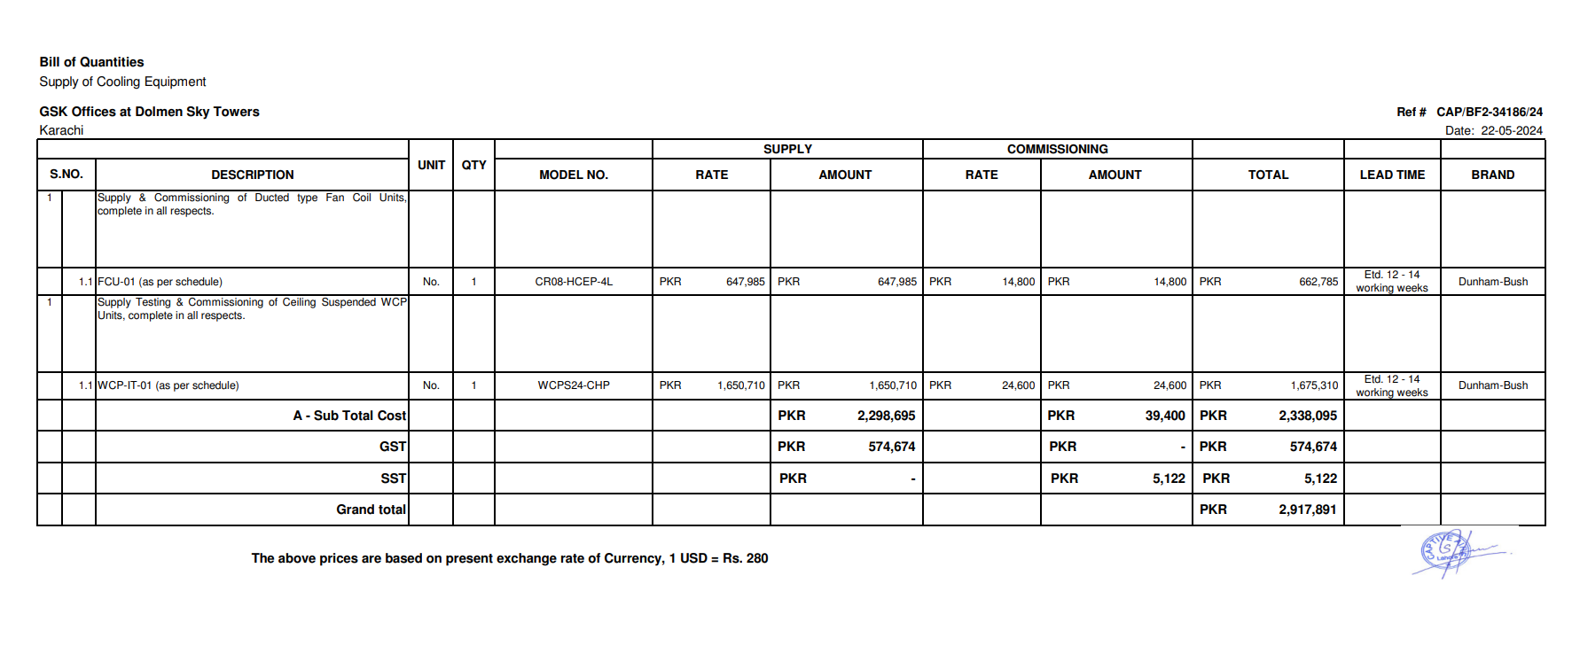
Note: 13% SST will be charged seperately.

Thanking you,

For PIONEER ENGINEERING SERVICES.

Bilal Habib

